Gardner_COPY FOR FUTURE month
 |  |  | E15 Monthly Infographic (October 2024)​
 |  |  | Neil Gardner

 |  |  | 2 Health & Sanitation audits completed
 |  |  | 487 VOC responses received
 |  |  | 0 Origami and 0 Red Phone incidences reported

HEALTH & SANITATION​ |  |  |  | Accounts with Failed Audits (<90%)

 |  |  |  | 0 |  | 0
 | 2 |  |  |  |  |  | ⚠️
 |  |  |  | Accounts |  | Total Missed Critical Questions
 | Completed Health & Sanitation Audits​ |  |  | 0%
 |  |  |  | of units |  |  | 0

 | 96% |  |  | 0 |  | 0
 |  |  |  |  |  |  | Open Tickets​
 | Overall Average Score​ |  |  | Total Resolved Tickets |  | Avg Ticket Resolution Time (Days)

 | 178 |  |  | AI GENERATED VOICE OF CUSTOMER ANALYSIS
 | Comments to Open Ended Questions

 | 22% | Positive (40) |  |  | 86
 | 28% | Neutral (49)
 | 50% | Negative (89) |  |  | Accounts with <10 Monthly VOC Responses

 | Facilities
Facilities | 0
Customer Service | 0
Order Accuracy | 0
 |  |  |  |  | 86% | of active units participating in LTF
Top Categories Driving Negative Comments
(# of comments)
 |  |  |  |  | 0 |  | 0
 |  |  |  |  | AI Identified Comments with Foreign Objects |  | Average CSAT for Accounts with Foreign Objects in Comments

Foreign Object Found
 | 0 | 0
 | 0 | 0
 | 0 | 0
 | 0 | 0
 | 0 | 0
 | 0 | 0
ORIGAMI & RED PHONE

 | # Foreign Objects Reported
 | 0
 | 0
 | 0

Location Where Foreign Object was Found
 | 0 | 0
 | 0 | 0
 | 0 | 0
 | 0 | 0
 | 0 | 0
 | 0 | 0

STEP BY STEP DIRECTIONS
Steps to Create Monthly Infographic
updated 10.08.2024

PRE-WORK: Set-up Computer to Run Report

Step 1 | Get service account access (ask Ashu Tiwari to help > atiwari@e15group.com)

Step 2 | Download ODBC --> |  | ODBC Driver | Snowflake Documentation

Step 3 | Open excel & try to connect to snowflake (if it doesn't work, might need more admin access)

PART 1: Open Necessary Files

Step 1 | In Microsoft teams, open 'Monthly Infographic_Excel Template' (link below)
 | 10.08.2024_Monthly Infographic_Job Aid & Templates.xlsx

Step 2 | In Microsoft teams, open folder with all needed SQL Code 'Monthly Infographic_SQL Queries' (link below)
 | Monthly Infographic_SQL Queries

PART 2: Pulling in Data from Snowflake - Individual SDDR

Step 1 | In 'Monthly Infographic_Excel Template': go to 'Data' at the top > 'Get Data' > 'From Other Sources' > 'From ODBC'

Step 2 | Select Snowflake as your datasource > copy & paste 'Monthly infographic V3' code into the SQL statement box > Hit 'ok'
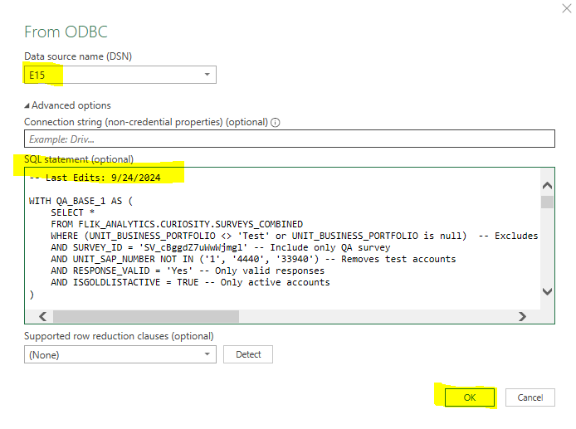

Step 3 | Hit 'Load' once a preview of the table appears
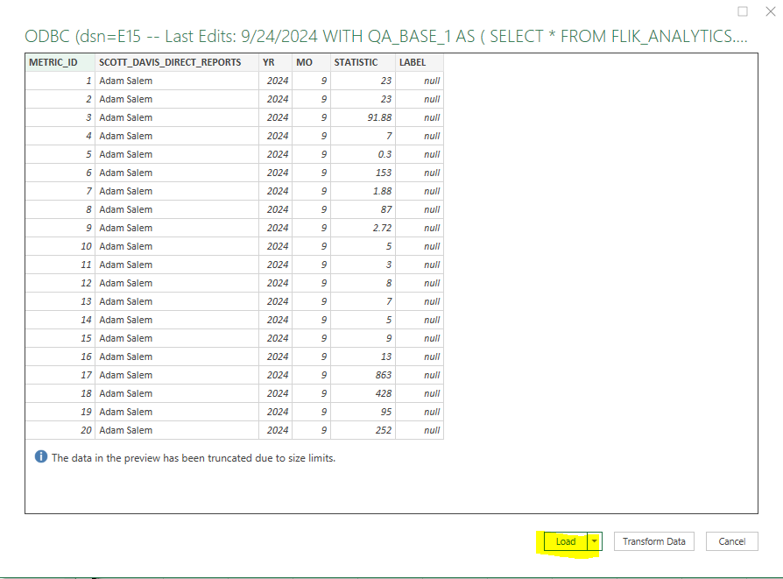

Step 4 | Query output will appear in new tab in excel
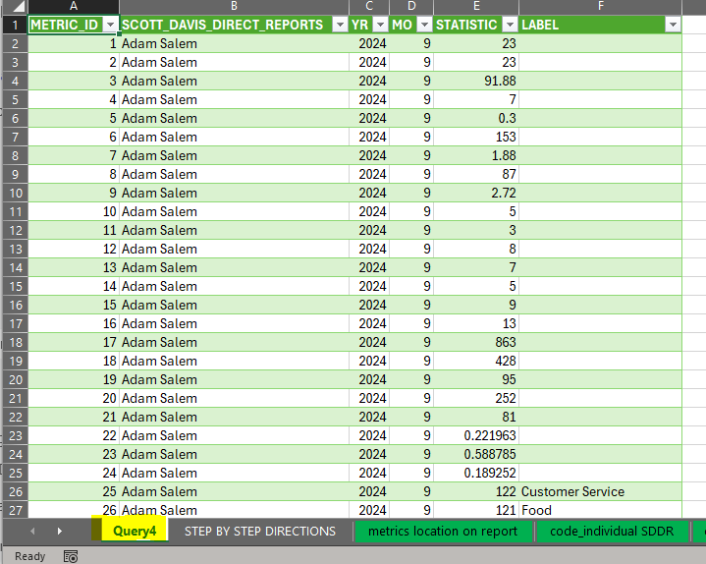

PART 3: Pulling in Data to Report Templates - Individual SDDR

Step 1 | From newly loaded tab from Snowflake, copy columns with statistics that can update each month: YR, MO, Statistic, Label (columns C-F)

Step 2 | Paste into tab 'reference sheet_indiv SDDR' columns YR, MO, Statistic, Label (columns D-G)

Step 3 | Double-check that Step 2 updates the statistics on tabs: Salem, Donohue, Gardner, Soguero, Russo and Feltman

Step 4 | Double-check that each report's graphs are still legible, make any needed adjustments

PART 4: Pulling in Data from Snowflake - Aggregated SDDR

Step 1 | Repeat Part 2 using query 'Aggregated Monthly Infographic'

Step 2 | Repeat Part 3 pasting into tab 'reference sheet_all SDDR' '

PART 5: Pulling in Data from Snowflake - Hyperlinks

Step 1 | Repeat Part 2 using query 'QA Monthly Infographic - Hyperlinks''

Step 2 | Repeat Part 2 using query 'VOC Monthly Infographic - Hyperlinks''

PART 6: Creating Hyperlinks

Step 1 | run each sql query
Step 2 | download all files
Step 3 | manually combine files as needed (for example, all outputs relating to QA combine into one file)
Step 4 | rename each bottom tab as needed & format as needed (for example, made column header row a different color and ensure all text is aligned to the left)
Step 5 | save files as excel to teams folder (Path = E15 Channel > Analytics > Analytics Hours > Monthly Infographic > Hyperlinks)
 |  | *Use naming convention 'Topic_Month Year_SDDR', for example 'QA_Sep_ 2024_Russo'

Step 6 | On each file, Click the three little dots > 'Copy link' >'Settings' > ensure 'People in CPGPLC' is selected > ensure More Settings reads 'Can View' > Apply )
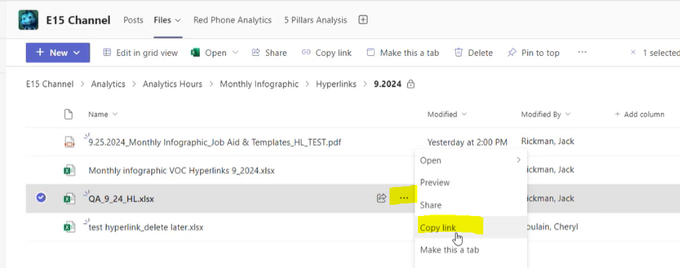
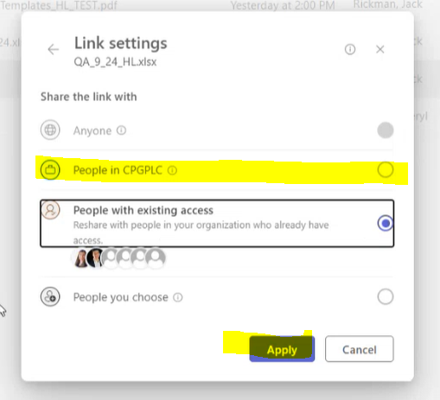
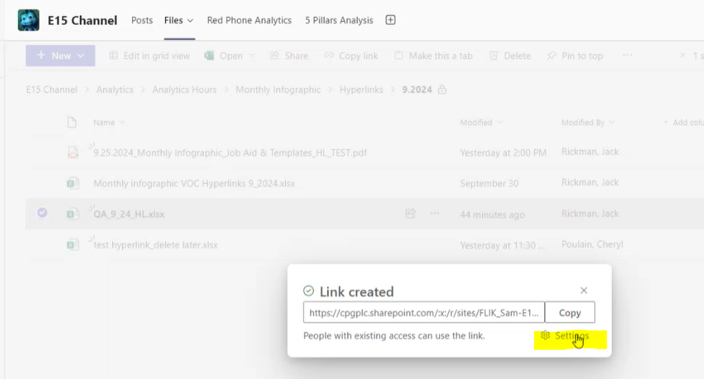

Step 7 | Copy hyperlink & paste into the 'Hyperlinks' tab on the infographic using this format that puts hyperlink in quotations --> ="hyperlink"
Step 8 | In the report template, reference the hyperlink using this formula --> =hyperlink(B3, "Health & Sanitation")….where B3 is the hyperlink on another sheet in this same excel file

PART 7: PDF'ing & Emailing Reports

Step 1 | Follow steps on tab 'save to pdf directions' to create pdfs for all 7 tabs: Salem, Donohue, Gardner, Soguero, Russo, Feltman and All SDDR

Step 2 | Email each SDDR their own report while CC'ing Laura Powers.
 | Email Laura Powers the 'All SDDR' report

Salem
 |  |  | E15 LENZ Performance Snapshot (October 2024)​
 |  |  | Adam Salem

 |  |  | 11 Health & Sanitation audits completed
 |  |  | 1,180 VOC responses received
 |  |  | 0 Origami and 0 Red Phone incidences reported

HEALTH & SANITATION​ |  |  |  | Accounts with Failed Audits (<90%)

 |  |  |  | 0 |  | 0
 | 11
 |  |  |  | Accounts |  | Total Missed Critical Questions | ⚠️
 | Completed Health & Sanitation Audits​ |  |  | 0%
 |  |  |  | of units |  |  | 1

 | 97% |  |  | 0 |  | 0
 |  |  |  |  |  |  | Open Tickets​
 | Overall Average Score​ |  |  | Total Resolved Tickets |  | Avg Ticket Resolution Time (Days)

 | 457 |  |  | AI GENERATED VOICE OF CUSTOMER ANALYSIS
 | Comments to Open Ended Questions

 | 29% | Positive (134) |  |  | 39
 | 17% | Neutral (79)
 | 53% | Negative (244) |  |  | Accounts with <10 Monthly VOC Responses

 | Customer Service
Customer Service | 0
Facilities | 0
Food | 0
 |  |  |  |  | 65% | of active units participating in LTF
Top Categories Driving Negative Comments
(# of comments)
 |  |  |  |  | 0 |  | 0
 |  |  |  |  | AI Identified Comments with Foreign Objects |  | Average CSAT for Accounts with Foreign Objects in Comments

Foreign Object Found (Top 5 Categories)
 | Plastic | Plastic
Plastic | 3 | 2
Metal | 2 | 1
Hair | 0 | 1
ORIGAMI & RED PHONE

 | # Foreign Objects Reported
 | Red Phone
Red Phone | 5
Origami | 4

Location Where Foreign Object was Found (Top 5 Categories)
 | Unknown | Unknown
Unknown | 3 | 0
Grab-n-Go | 1 | 1
Pizza | 1 | 1
Buffet | 0 | 1
Salad Bar | 0 | 1

Donohue
 |  |  | E15 LENZ Performance Snapshot (October 2024)​
 |  |  | Brian Donohue

 |  |  | 27 Health & Sanitation audits completed
 |  |  | 693 VOC responses received
 |  |  | 0 Origami and 0 Red Phone incidences reported

HEALTH & SANITATION​ |  |  |  | Accounts with Failed Audits (<90%)

 |  |  |  | 0 |  | 0
 | 27
 |  |  |  | Accounts |  | Total Missed Critical Questions | ⚠️
 | Completed Health & Sanitation Audits​ |  |  | 0%
 |  |  |  | of units |  |  | 0

 | 97% |  |  | 0 |  | 0
 |  |  |  |  |  |  | Open Tickets​
 | Overall Average Score​ |  |  | Total Resolved Tickets |  | Avg Ticket Resolution Time (Days)

 | 194 |  |  | AI GENERATED VOICE OF CUSTOMER ANALYSIS
 | Comments to Open Ended Questions

 | 38% | Positive (73) |  |  | 101
 | 19% | Neutral (36)
 | 44% | Negative (85) |  |  | Accounts with <10 Monthly VOC Responses

 | Food
Food | 0
Order Accuracy | 0
Customer Service | 0
 |  |  |  |  | 85% | of active units participating in LTF
Top Categories Driving Negative Comments
(# of comments)
 |  |  |  |  | 0 |  | 0
 |  |  |  |  | AI Identified Comments with Foreign Objects |  | Average CSAT for Accounts with Foreign Objects in Comments

Foreign Object Found (Top 5 Categories)
 | Bug | Bug
Bug | 1 | 3
Bone | 0 | 1
Metal | 0 | 1
ORIGAMI & RED PHONE

 | # Foreign Objects Reported
 | Red Phone
Red Phone | 1
Origami | 5

Location Where Foreign Object was Found (Top 5 Categories)
 | Burger | Burger
Burger | 0 | 3
Meat | 0 | 1
Salad Bar | 0 | 1
Unknown | 1 | 0

Gardner
 |  |  | E15 LENZ Performance Snapshot (October 2024)​
 |  |  | Neil Gardner

 |  |  | 2 Health & Sanitation audits completed
 |  |  | 487 VOC responses received
 |  |  | 0 Origami and 0 Red Phone incidences reported

HEALTH & SANITATION​ |  |  |  | Accounts with Failed Audits (<90%)

 |  |  |  | 0 |  | 0
 | 2
 |  |  |  | Accounts |  | Total Missed Critical Questions | ⚠️
 | Completed Health & Sanitation Audits​ |  |  | 0%
 |  |  |  | of units |  |  | 0

 | 96% |  |  | 0 |  | 0
 |  |  |  |  |  |  | Open Tickets​
 | Overall Average Score​ |  |  | Total Resolved Tickets |  | Avg Ticket Resolution Time (Days)

 | 178 |  |  | AI GENERATED VOICE OF CUSTOMER ANALYSIS
 | Comments to Open Ended Questions

 | 22% | Positive (40) |  |  | 86
 | 28% | Neutral (49)
 | 50% | Negative (89) |  |  | Accounts with <10 Monthly VOC Responses

 | Facilities
Facilities | 0
Customer Service | 0
Order Accuracy | 0
 |  |  |  |  | 86% | of active units participating in LTF
Top Categories Driving Negative Comments
(# of comments)
 |  |  |  |  | 0 |  | 0
 |  |  |  |  | AI Identified Comments with Foreign Objects |  | Average CSAT for Accounts with Foreign Objects in Comments

Foreign Object Found (Top 5 Categories)
 | 0
 | 0
 | 0
 | 0
 | 0
 | 0
ORIGAMI & RED PHONE

 | # Foreign Objects Reported
 | 0
 | 0
 | 0

Location Where Foreign Object was Found (Top 5 Categories)
 | 0
 | 0
 | 0
 | 0
 | 0
 | 0

Soguero
 |  |  | E15 LENZ Performance Snapshot (October 2024)​
 |  |  | Peter Soguero

 |  |  | 23 Health & Sanitation audits completed
 |  |  | 643 VOC responses received
 |  |  | 0 Origami and 0 Red Phone incidences reported

HEALTH & SANITATION​ |  |  |  | Accounts with Failed Audits (<90%)

 |  |  |  | 4 |  | 16
 | 23
 |  |  |  | Accounts |  | Total Missed Critical Questions | ⚠️
 | Completed Health & Sanitation Audits​ |  |  | 17%
 |  |  |  | of units |  |  | 7

 | 95% |  |  | 40 |  | 4.9
 |  |  |  |  |  |  | Open Tickets​
 | Overall Average Score​ |  |  | Total Resolved Tickets |  | Avg Ticket Resolution Time (Days)

 | 252 |  |  | AI GENERATED VOICE OF CUSTOMER ANALYSIS
 | Comments to Open Ended Questions

 | 27% | Positive (68) |  |  | 76
 | 22% | Neutral (56)
 | 51% | Negative (128) |  |  | Accounts with <10 Monthly VOC Responses

 | Customer Service
Customer Service | 0
Food | 0
Facilities | 0
 |  |  |  |  | 81% | of active units participating in LTF
Top Categories Driving Negative Comments
(# of comments)
 |  |  |  |  | 0 |  | 0
 |  |  |  |  | AI Identified Comments with Foreign Objects |  | Average CSAT for Accounts with Foreign Objects in Comments

Foreign Object Found (Top 5 Categories)
 | Bug
Bug | 2 | 2
Plastic | 2 | 2
Glass | 1 | 2
Hair | 1 | 1
Rubber | 1 | 1
ORIGAMI & RED PHONE

 | # Foreign Objects Reported
 | Red Phone
Red Phone | 7
Origami | 11

Location Where Foreign Object was Found (Top 5 Categories)
 | Unknown | Unknown
Unknown | 6 | 0
Beverage | 1 | 2
Buffet | 0 | 2
Vegetable | 0 | 2
Salad Bar | 0 | 2

Russo
 |  |  | E15 LENZ Performance Snapshot (October 2024)​
 |  |  | Rick Russo

 |  |  | 33 Health & Sanitation audits completed
 |  |  | 1,118 VOC responses received
 |  |  | 0 Origami and 0 Red Phone incidences reported

HEALTH & SANITATION​ |  |  |  | Accounts with Failed Audits (<90%)

 |  |  |  | 0 |  | 0
 | 33
 |  |  |  | Accounts |  | Total Missed Critical Questions | ⚠️
 | Completed Health & Sanitation Audits​ |  |  | 0%
 |  |  |  | of units |  |  | 0

 | 98% |  |  | 0 |  | 0
 |  |  |  |  |  |  | Open Tickets​
 | Overall Average Score​ |  |  | Total Resolved Tickets |  | Avg Ticket Resolution Time (Days)

 | 678 |  |  | AI GENERATED VOICE OF CUSTOMER ANALYSIS
 | Comments to Open Ended Questions

 | 21% | Positive (142) |  |  | 66
 | 17% | Neutral (117)
 | 62% | Negative (419) |  |  | Accounts with <10 Monthly VOC Responses
 | Order Accuracy
Order Accuracy | 0
Food | 0
Ordering Experience | 0
 |  |  |  |  | 66% | of active units participating in LTF
Top Categories Driving Negative Comments
(# of comments)
 |  |  |  |  | 0 |  | 0
 |  |  |  |  | AI Identified Comments with Foreign Objects |  | Average CSAT for Accounts with Foreign Objects in Comments

Foreign Object Found (Top 5 Categories)
 | Plastic | Plastic
Plastic | 2 | 5
Hair | 0 | 1
Metal | 1 | 0
Paper | 0 | 1
ORIGAMI & RED PHONE

 | # Foreign Objects Reported
 | Red Phone
Red Phone | 3
Origami | 7

Location Where Foreign Object was Found (Top 5 Categories)
 | Unknown | Unknown
Unknown | 2 | 1
Sandwich | 0 | 2
Beverage | 1 | 0
Salad Bar | 0 | 1
Meat | 0 | 1

Feltman
 |  |  | E15 LENZ Performance Snapshot (October 2024)​
 |  |  | Sari Feltman

 |  |  | 35 Health & Sanitation audits completed
 |  |  | 500 VOC responses received
 |  |  | 0 Origami and 0 Red Phone incidences reported

HEALTH & SANITATION​ |  |  |  | Accounts with Failed Audits (<90%)

 |  |  |  | 3 |  | 16
 | 35
 |  |  |  | Accounts |  | Total Missed Critical Questions | ⚠️
 | Completed Health & Sanitation Audits​ |  |  | 9%
 |  |  |  | of units |  |  | 34

 | 95% |  |  | 16 |  | 0.6
 |  |  |  |  |  |  | Open Tickets​
 | Overall Average Score​ |  |  | Total Resolved Tickets |  | Avg Ticket Resolution Time (Days)

 | 124 |  |  | AI GENERATED VOICE OF CUSTOMER ANALYSIS
 | Comments to Open Ended Questions

 | 29% | Positive (36) |  |  | 280
 | 34% | Neutral (42)
 | 37% | Negative (46) |  |  | Accounts with <10 Monthly VOC Responses
 | Food
Food | 0
Customer Service | 0
Order Accuracy | 0
 |  |  |  |  | 98% | of active units participating in LTF
Top Categories Driving Negative Comments
(# of comments)
 |  |  |  |  | 0 |  | 0
 |  |  |  |  | AI Identified Comments with Foreign Objects |  | Average CSAT for Accounts with Foreign Objects in Comments

Foreign Object Found (Top 5 Categories)
 | Unknown | Unknown
Unknown | 0 | 3
Bone | 0 | 2
ORIGAMI & RED PHONE

 | # Foreign Objects Reported
 | Red Phone
Red Phone | 0
Origami | 5

Location Where Foreign Object was Found (Top 5 Categories)
 | Unknown | Unknown
Unknown | 0 | 2
Buffet | 0 | 1
Meat | 0 | 1
Sandwich | 0 | 1

All SDDR
 |  | E15 LENZ Performance Snapshot (October 2024)​
 |  | All Scott Davis Direct Reports

 |  | 131 Health & Sanitation audits completed
 |  | 4,621 VOC responses received
 |  | 0 Origami and 0 Red Phone incidences reported

 | HEALTH & SANITATION​ |  | Accounts with Failed Audits (<90%)

 |  |  | 7 |  | 16
 | 125 |  |  |  |  |  | ⚠️
 |  |  | Accounts |  | Total Missed Critical Questions
 | Completed Health & |  | 5%
 | Sanitation Audits​ |  | of units |  |  |  | 42

 | 96% |  | 56 |  | 3.6
 |  |  |  |  |  |  | Open Tickets​
 |  |  | Total Resolved Tickets |  | Avg Ticket Resolution Time (Days)
 | Overall Average Score​

 | AI GENERATED VOICE OF CUSTOMER ANALYSIS |  |  | 1,883
 |  |  |  | Comments to Open Ended Questions
648 |  |  |  | 26% |  | Positive (493)
Accounts with <10 Monthly VOC Responses |  |  |  | 20% |  | Neutral (379)
 |  |  |  | 54% |  | Negative (1011)
 | Order Accuracy
Order Accuracy | 0
Customer Service | 0
Food | 0
85% of active units participating in LTF |  |  |  | Top Categories Driving Negative Comments

0
0
 |  |  |  | (# of comments)
AI Identified Comments with Foreign Objects
Average CSAT for Accounts with Foreign Objects in Comments

Foreign Object Found (Top 5 Categories)
 | Plastic | Plastic
Plastic | 7 | 9
Bug | 3 | 5
Metal | 3 | 5
Unknown | 0 | 5
Hair | 1 | 3
 | ORIGAMI & RED PHONE

 | Red Phone
Red Phone | 16
Origami | 32

Location Where Foreign Object was Found (Top 5 Categories)
 | Unknown | Unknown
Unknown | 12 | 3
Buffet | 0 | 5
Salad Bar | 0 | 5
Beverage | 2 | 2
Sandwich | 0 | 4

metrics location on report
 |  |  | E15 Monthly Infographic (9/2024)​
 |  |  | Adam Salem
1
17
33
34
 |  |  | 22 Health & Sanitation audits completed
 |  |  | VOC responses received
 |  |  | Origami and Red Phone incidences reported

HEALTH & SANITATION​ |  |  |  | Accounts with Failed Audits (<90%)

4
12
1
 |  |  |  | 0 |  | 0
 | 0 |  |  |  |  |  |  | ⚠️
 |  |  |  | Accounts |  | Total Missed Critical Questions
5
 | Completed Health & Sanitation Audits​ |  |  | 0%
16
 |  |  |  | of units |  |  |  | 0
3
8
9
 | 0% |  |  | 0 |  | 0
 |  |  |  |  |  |  |  | Open Tickets​
 | Overall Average Score​ |  |  | Total Resolved Tickets |  | Avg Ticket Resolution Time (Days)

18
 | 0 |  |  | AI GENERATED VOICE OF CUSTOMER ANALYSIS
 | Comments to Open Ended Questions
22
28
24
19
21
23
20
 | 0% | Positive (0) |  |  | 0
 | 0% | Neutral (0)
 | 0% | Negative (0) |  |  | Accounts with <10 Monthly VOC Responses
29
Order Accuracy | 146
Food | 116
Customer Service | 112
30
31
 |  |  |  |  |  | 0% | of units
Top Categories Driving Negative Comments
(# of comments)
25
 |  |  |  |  | 0 |  |  | 0
26
27
 |  |  |  |  | AI Identified Comments with Foreign Objects |  |  | Average CSAT for Accounts with Foreign Objects in Comments

Foreign Object Found
35
40
42
37
39
44
 |  |  |  |  |  |  |  |  |  | Origami | Red Phone
ORIGAMI & RED PHONE |  |  |  |  |  |  |  |  | Plastic | 5 | 4
 |  |  |  |  |  |  |  |  | Metal | 5 | 2
36
41
38
43
 |  |  |  |  |  |  |  |  | Insect | 2 | 1
 | # Foreign Objects Reported |  |  |  |  |  |  |  | Hair | 2 | 1
 |  |  |  |  |  |  |  |  | Glass | 1 | 1
 | Origami | Red Phone
 | 15 | 8
 | Origami | Red Phone
 | 15 | 8
Location Where Foreign Object was Found

33
34
45
50
52
47
49
54
46
51
48
53
 |  |  |  |  |  |  |  |  |  | Origami | Red Phone
 |  |  |  |  |  |  |  |  | Salad Bar | 5 | 4
 |  |  |  |  |  |  |  |  | Soup | 5 | 2
 |  |  |  |  |  |  |  |  | Meat | 2 | 1
 |  |  |  |  |  |  |  |  | Pasta | 2 | 1
 |  |  |  |  |  |  |  |  | Sandwich | 1 | 1

save to pdf directions
Step 1 | Select all cells of report we want to show on final report (currently all columns from A-N and all rows 1-58)

Step 2 | Go to 'File', then 'Save As', Select PDF

Step 3 | Hit More Options > then Options > then ensure Publish what is 'Selection' > Hit 'Ok'
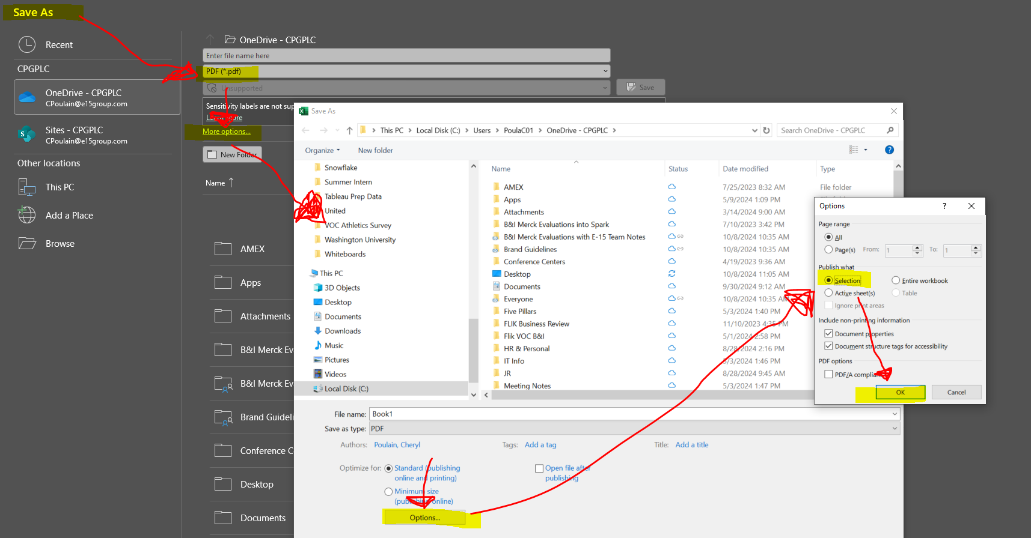

Step 3 | Hit 'Save' and ensure PDF is saved in this analytics team folder > | Published Reports
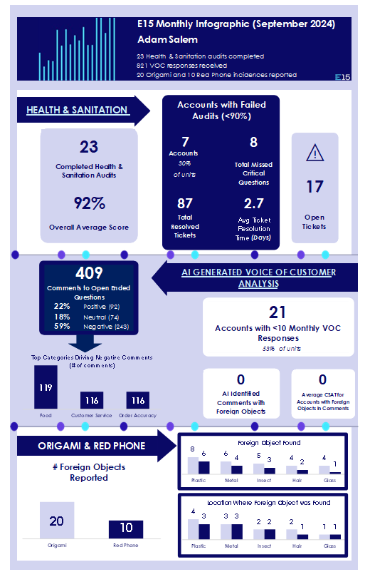
 | Result should look like this

